ISR1K SKUs for CPC
Series | PID | Similar PID'S | Images | Heat_Dissipation | POE port count | PIM Modules | Power_Consumption (Typical) | Power_Consumption (Max) | Heat_Dissipation
Terminal Gateway | C1100TG-1N24P32A |  |  |  |  | P-LTE-VZ | 6 | 6 | 18.84
Terminal Gateway | C1100TG-1N32A |  |  |  |  | P-LTE-NA | 6 | 6 | 18.84
Terminal Gateway | C1100TGX-1N24P32A |  |  |  |  | P-LTE-US | 6 | 6 | 18.84
M2M | C1101-4P |  |  |  |  | P-LTE-JN | 6 | 6 | 18.84
M2M | C1101-4PLTEP |  | 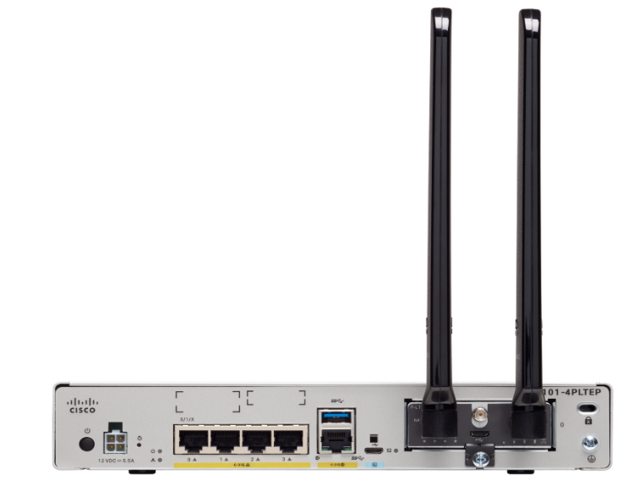 |  |  | P-LTE-GB | 6 | 6 | 18.84
M2M | C1101-4PLTEPWA |  |  |  |  | P-LTE-IN | 6 | 6 | 18.84
M2M | C1101-4PLTEPWB |  |  |  |  | P-LTE-AU | 6 | 6 | 18.84
M2M | C1101-4PLTEPWD | C1101-4PLTEPW* |  |  |  | P-LTEA-EA | 6 | 6 | 18.84
M2M | C1101-4PLTEPWE |  |  |  |  | P-LTEA-LA | 6 | 6 | 18.84
M2M | C1101-4PLTEPWQ |  |  |  |  | P-LTEAA-EA | 6 | 6 | 18.84
M2M | C1101-4PLTEPWZ |  |  |  |  | P-LTEAP18-GL | 6 | 6 | 18.84
M2M | C1109-2PLTEGB
M2M | C1109-2PLTEUS | C1109-2PLTE*
M2M | C1109-2PLTEVZ
M2M | C1109-4PLTE2P
M2M | C1109-4PLTE2PWA
M2M | C1109-4PLTE2PWB
M2M | C1109-4PLTE2PWE | C1109-4PLTE2PW* | 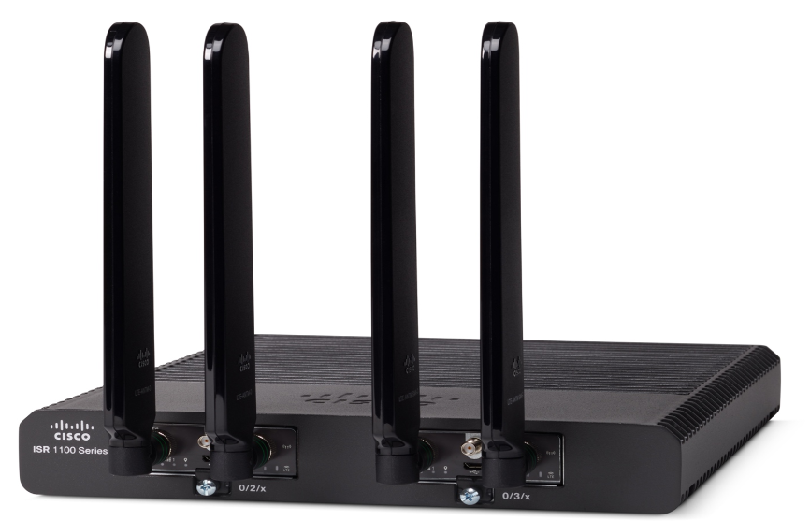
M2M | C1109-4PLTE2PWQ
M2M | C1109-4PLTE2PWR
M2M | C1109-4PLTE2PWZ
Betelgeuse | C1121-4P
Betelgeuse | C1121-4PLTEP
Betelgeuse | C1121-8P
Betelgeuse | C1121-8PLTEP
Betelgeuse | C1121-8PLTEPWB
Betelgeuse | C1121-8PLTEPWE | C1121-8PLTEPW*
Betelgeuse | C1121-8PLTEPWQ
Betelgeuse | C1121-8PLTEPWZ
Betelgeuse | C1121X-8P
Betelgeuse | C1121X-8PLTEP
Betelgeuse | C1121X-8PLTEPWA
Betelgeuse | C1121X-8PLTEPWB | C1121X-8PLTEPW* | 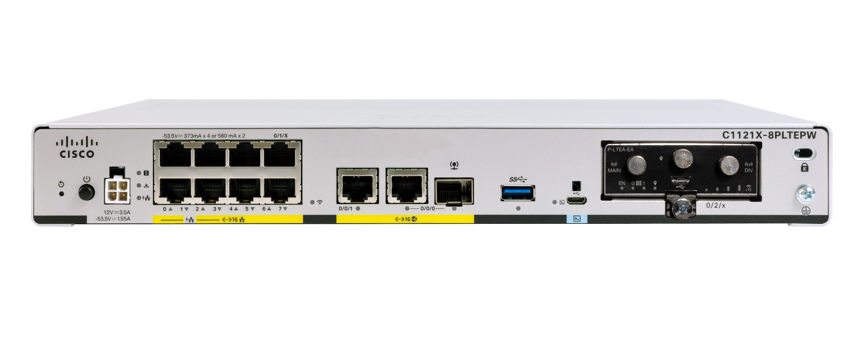
Betelgeuse | C1121X-8PLTEPWE
Betelgeuse | C1121X-8PLTEPWZ
Betelgeuse | C1126-8PLTEP
Betelgeuse | C1126X-8PLTEP
Betelgeuse | C1127-8PLTEP
Betelgeuse | C1127-8PMLTEP
Betelgeuse | C1127X-8PLTEP
Betelgeuse | C1127X-8PMLTEP
Betelgeuse | C1128-8PLTEP
Betelgeuse | C1131-8PLTEPWA
Betelgeuse | C1131-8PLTEPWB
Betelgeuse | C1131-8PLTEPWE | C1131-8PLTEPW*
Betelgeuse | C1131-8PLTEPWQ
Betelgeuse | C1131-8PLTEPWZ
Betelgeuse | C1131-8PWA
Betelgeuse | C1131-8PWB
Betelgeuse | C1131-8PWE | C1131-8PW*
Betelgeuse | C1131-8PWQ
Betelgeuse | C1131-8PWZ
Betelgeuse | C1131X-8PLTEPWA
Betelgeuse | C1131X-8PLTEPWB
Betelgeuse | C1131X-8PLTEPWE | C1131X-8PLTEPW*
Betelgeuse | C1131X-8PLTEPWQ
Betelgeuse | C1131X-8PLTEPWZ
Betelgeuse | C1131X-8PWA
Betelgeuse | C1131X-8PWB
Betelgeuse | C1131X-8PWE | C1131X-8PW*
Betelgeuse | C1131X-8PWQ
Betelgeuse | C1131X-8PWZ
Betelgeuse | C1161-8P
Betelgeuse | C1161-8PLTEP
Betelgeuse | C1161X-8P
Betelgeuse | C1161X-8PLTEP
Nutella | ISR1100-4G
Nutella | ISR1100-4GLTEGB
Nutella | ISR1100-4GLTENA | ISR1100-4GLTE*
Nutella | ISR1100-4GPM
Nutella | ISR1100-6G
Nutella | ISR1100X-4G
Nutella | ISR1100X-6G

